Sheet1
 | Document No. |  | Issue No. | Issue Date |  |  | Review and Replace Date |  | Authorised By
 | GFF108MC |  | 2 | 27.06.2019 |  |  | 14.04.2021
 | Document Title |  | Chicken Tikka Bites with Mint Raita 90g - High Risk
 | Page 1 of 1 |  |  |  |  | Clause |  | 6.1 | M. Shah
Document amendments reason for change | Yogurt Mint Raita changed to 30% Fat Yogurt & Mint from Piquant |  |  |  |  | Previous Issue Date |  | 27.06.2019 | Uncontrolled copy unless signed original

CCHTKB1-G6TSP |  | SPAR |  |  | CHICKEN TIKKA BITES WITH MINT RAITA 90G
STEP 1 |  |  |  |  |  | STEP 2
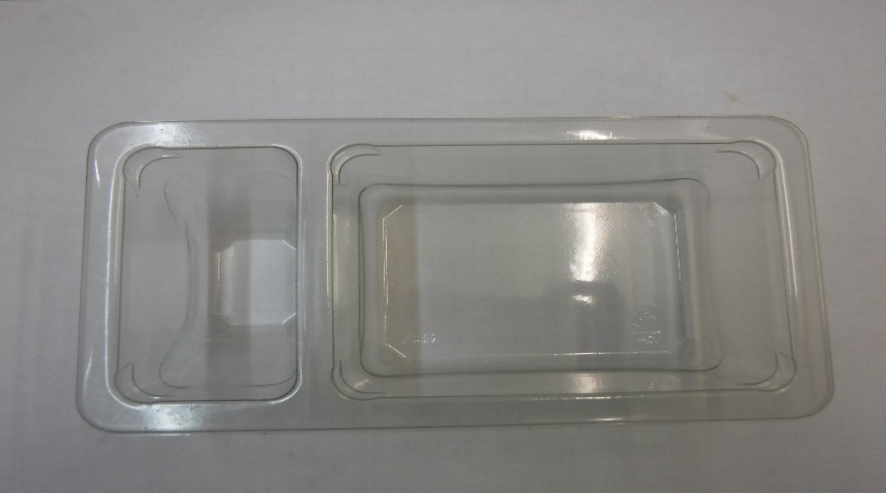 |  |  |  |  |  | 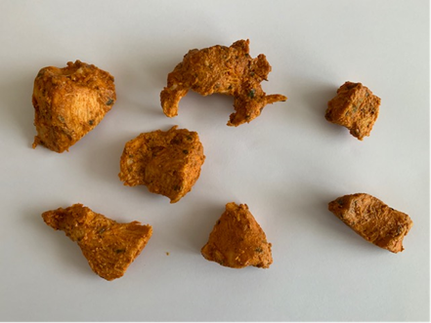
GUS FLASHED PRODUCT

Packaging: Duo-Pot Tray (PKLEE001-01) |  |  |  |  |  | Chicken Tikka (GFF142R) 60g (4 - 8 pcs)
Film: Line 1: Mylar 250LAF 250mm x 1000 (PKWRA001-08) Line 1: K-Peel 75G + AF 25 250mm (PKKMP001-01) Line 2: Mylar 25OLAF - 380mm wide (PKWRA001-02)
STEP 3 |  |  |  |  |  | STEP 4
SHELF LIFE:
10 days from Date of Pack
Product to be kept in a WIP Chiller max 2 days prior packing
Follow Julian Calendar for
10 days Use By calculation
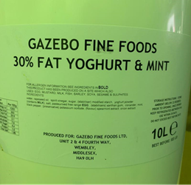 |  |  |  |  |  | 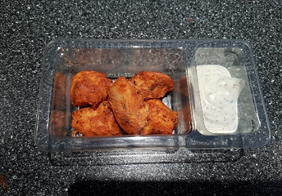

Yogurt Mint Raita 30% Fat (RMPIQ001-01) 30g |  |  |  |  |  | TOTAL WEIGHT: 90g

ALLERGY ALERT: EGG, MILK

